Clusters Overview
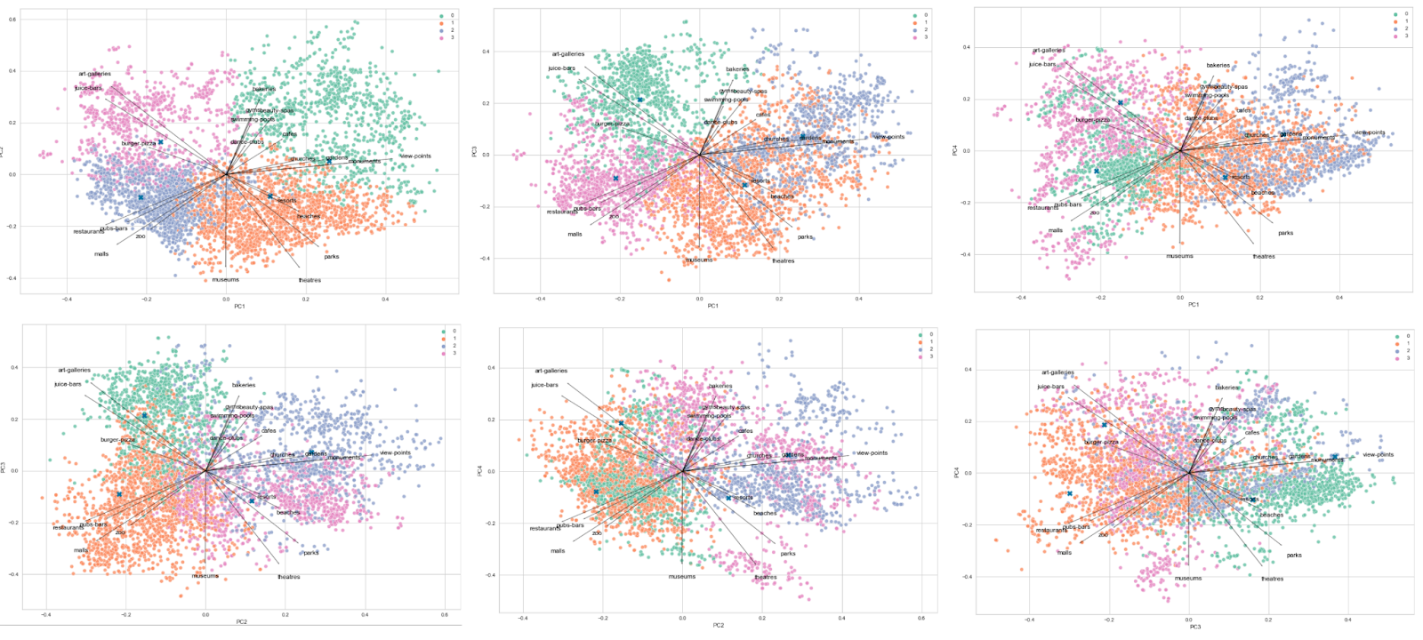
Cluster 0 | Dance Clubs
Cluster 1 | Beaches
Cluster 2 | View Points
Cluster 3 | Burger-Pizza

